F & F 1
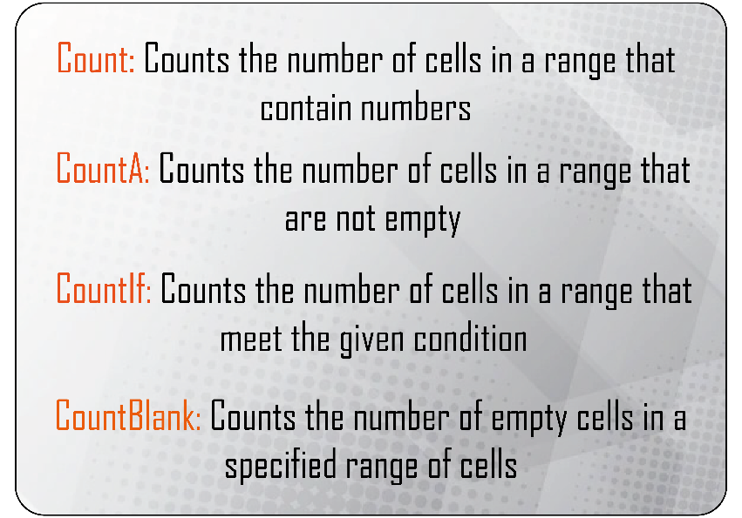
 | Cost |  |  | Sheep |  | Numbers | Text |  | MaxA | MinA
 |  |  |  |  |  | 345 | Peter |  | 345 | 345
 | $345.00 |  |  | 35 |  | 876 | Peter |  | 345 | 876
 | $356.00 |  |  | 76 |  | 35 | Peter |  | 345 | 35
 | $786.00 |  |  | 84 |  | 67 | Peter |  | 345 | 900
 | $358.00 |  |  | 96 |  | 907 | Peter |  | 345 | 907
 | $956.00 |  |  | 28 |  | 21 | Peter |  | 21 | 21
 | $576.00 |  |  | 71 |  | 6 | 6 |  | 345 | 21
 | $335.00 |  |  | 12
 | $253.00 |  |  | 18
 | $545.00 |  |  | 87 |  | SumIF | AverageIF
 | $387.00 |  |  | 39 |  | 345 | 345
 | $353.00 |  |  | 93 |  | 876 | 876
 | $553.00 |  |  | 95 |  | 35 | 35
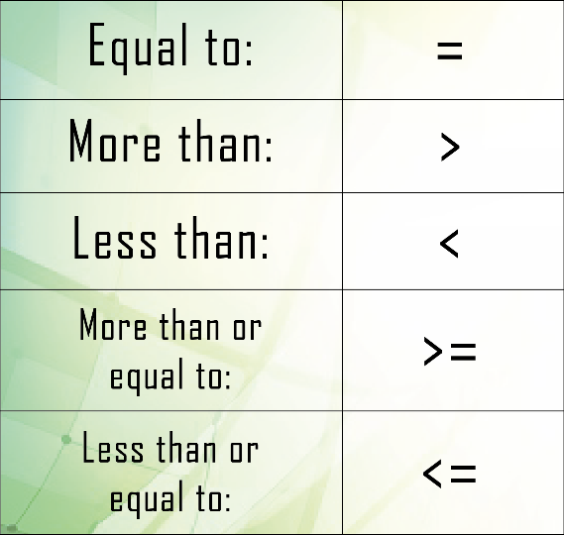
 | $386.00 |  |  | 89 |  | 900 | 900
 | $484.00 |  |  | 35 |  | 907 | 907
 | $263.00 |  |  | 36 |  | 21 | 21
 | $32.00 |  |  | 65 |  | 1807 | 757

Sum: | $6,968.00 |  | Count: | 16
Average: | $435.50 |  | CountA: | 16
Max: | $956.00 |  | CountIF: | 13
Min: | $32.00 |  | CountBlank: | 0

Inventory

Marque | Class | Year | Model | OTRP | Inventory | Value
Mercedes | E-class | 2022 | 300 | £27,995.00 | 34 | £951,830.00 |  | SumIfs |  |  | AverageIfs
Mercedes | A-class | 2022 | 180 | £18,995.00 | 56 | £1,063,720.00
Mercedes | M-class | 2021 | 500 | £37,495.00 | 18 | £674,910.00 |  | A-class |  |  | A-class
Mercedes | E-class | 2022 | 250 | £23,495.00 | 24 | £563,880.00
Mercedes | E-class | 2021 | 320 | £26,495.00 | 76 | £2,013,620.00 |  | Total: | £2,536,320.00 |  | Total: | £634,080.00
Mercedes | A-class | 2022 | 250 | £19,495.00 | 39 | £760,305.00
Mercedes | S-class | 2021 | 600 | £85,995.00 | 17 | £1,461,915.00 |  | E-class |  |  | E-class
Mercedes | E-class | 2021 | 450 | £63,495.00 | 32 | £2,031,840.00
Mercedes | E-class | 2022 | 400 | £59,995.00 | 64 | £3,839,680.00 |  | Total: | £11,224,470.00 |  | Total: | £1,870,745.00
Mercedes | S-class | 2022 | 320 | £43,495.00 | 12 | £521,940.00
Mercedes | S-class | 2022 | 430 | £61,495.00 | 43 | £2,644,285.00 |  | M-class |  |  | M-class
Mercedes | S-class | 2022 | 350 | £37,495.00 | 18 | £674,910.00
Mercedes | M-class | 2021 | 300 | £41,495.00 | 19 | £788,405.00 |  | Total: | £6,766,950.00 |  | Total: | £1,691,737.50
Mercedes | A-class | 2021 | 160 | £17,995.00 | 24 | £431,880.00
Mercedes | E-class | 2022 | 200 | £23,995.00 | 76 | £1,823,620.00 |  | S-class |  |  | S-class
Mercedes | S-class | 2022 | 280 | £49,495.00 | 39 | £1,930,305.00
Mercedes | A-class | 2022 | 190 | £16,495.00 | 17 | £280,415.00 |  | Total: | £7,233,355.00 |  | Total: | £1,446,671.00
Mercedes | M-class | 2022 | 600 | £93,995.00 | 32 | £3,007,840.00
Mercedes | M-class | 2021 | 430 | £55,995.00 | 41 | £2,295,795.00

